Dashboard

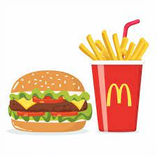
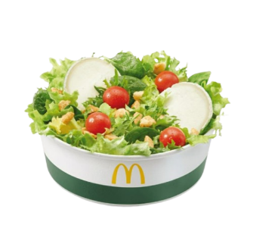
Orders placed over Time
 | Total
Jan | 4156
Feb | 3892
Mar | 4186
Revenue by Day
 | Total
Monday | 10152.77
Tuesday | 9046.91
Wednesday | 7625.56
Thursday | 8450.05
Friday | 9200.46
Saturday | 8241.1
Sunday | 8909.44
Top 5 Products
 | Total
Meatball Marinara | 4261.26
Angus Third Pounder | 3995
Quarter Pounder with Cheese | 3965.36
Bulgogi Burger | 3842.08
Big Mac | 3731.77
Revenue Distribution to type of day
 | Total
Weekday | 44475.75
Weekend | 17150.54
Revenue by Category over Month
 | January | February | March
Burger | 7444.05 | 6941.28 | 7253.68
Chicken | 4135.35 | 3960.28 | 4297.87
Pasta | 3071.35 | 2998.44 | 3153.26
Sandwich | 2699.51 | 2589.67 | 2952.77
Sides | 1015.05 | 899.54 | 962.39
Fries | 862.38 | 757.14 | 890.68
Breakfast | 471.51 | 396.18 | 418.5
Wraps | 368.99 | 470.71 | 385.92
Salad | 367.83 | 351.36 | 428.22
Shakes | 388.7 | 313.95 | 379.73
Order Volume over time
 | Total
10 | 5
11 | 630
12 | 1672
13 | 1575
14 | 968
15 | 751
16 | 1054
17 | 1370
18 | 1307
19 | 1085
20 | 889
21 | 608
22 | 309
23 | 11
McDONALD'S SALES DASHBOARD
5370 Total Orders
Side Salad Most ordered dish
2.28 Average Order Value
$61,626 Total Revenue

